API Tests
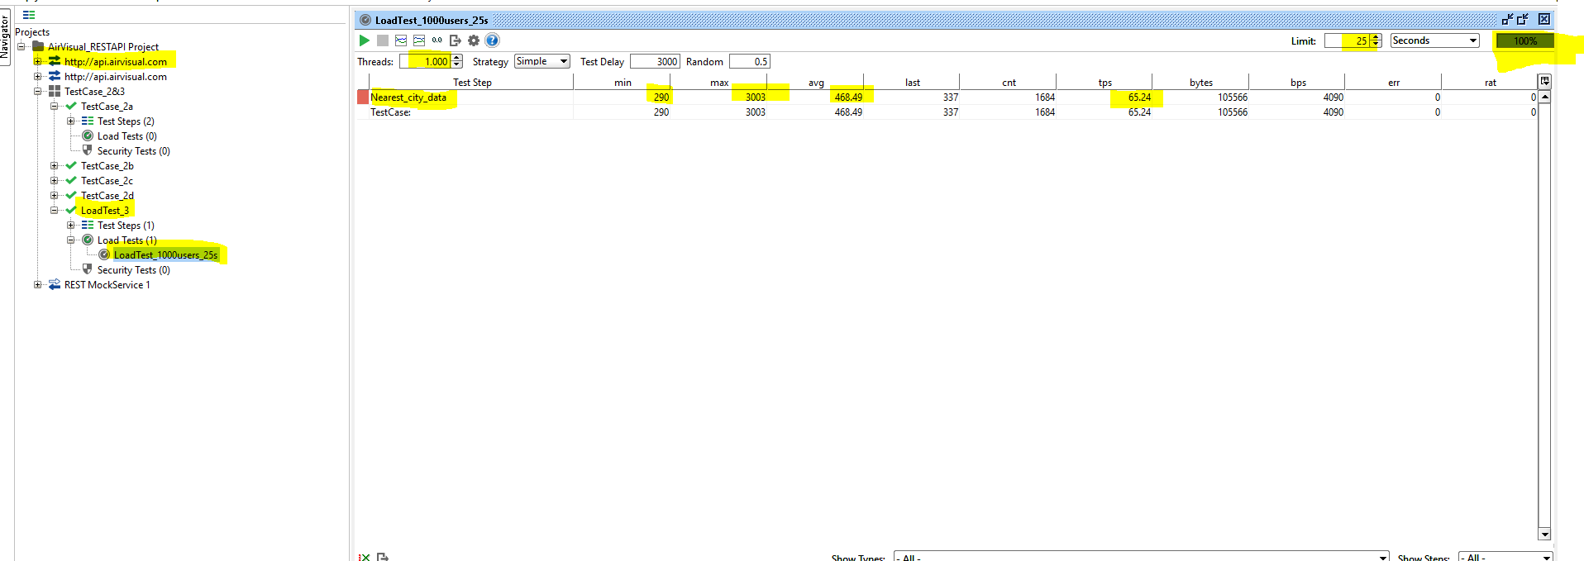
Test Case ID | Test Description | Execution Steps | Expected Result | Actual Result | Status | JIRA | Comments | Retest
TestCase_2a_400 | a) Api authorisation (403 if no auth token) - for any api can be used | 1. Import the SOAPUI project xml file after github download 2. Navigate to Test Suite ( TestCase_2&3) 3. Navigate to Test Case (TestCase_2a) 4. Execute the test step - (Negative_Scenario_a) 5. Check for Assertion Status | Check all Assertions should pass Check for Valid JSON response Check for Error Response | All Assertions passed Valid JSON response returned 403 returned for no auth token | PASS
TestCase_2a_200 | a) Api authorisation ( 200 if correct provided) - for any api can be used | 1. Import the SOAPUI project xml file after github download 2. Navigate to Test Suite ( TestCase_2&3) 3. Navigate to Test Case (TestCase_2a) 4. Execute the test step - (Positive_Scenario_200) 5. Check for Assertion Status code - 200 Https status code assertion in assertions | Check all Assertions should pass Check for Valid JSON response and Status Code 200 in assertions | All Assertions passed Valid JSON response returned 403 returned for no auth token | PASS
TestCase_2b | Check api : api.airvisual.com/v2/states?country={{COUNTRY_NAME}}&key={{YOUR_API_KEY}} will return the 6 states of Australia and validate names | 2. Navigate to Test Suite ( TestCase_2&3) 3. Navigate to Test Case (TestCase_2b) 4. Execute the test step - (Positive_Scenario_a) 5. Check for Assertion Status | Check all Assertions should pass Check for Valid JSON response Should return 6 Australia states | All Assertions passed Valid JSON response returned 6 states retured and validated | PASS
TestCase_2c | Use certain api to find the nearest city data | 2. Navigate to Test Suite ( TestCase_2&3) 3. Navigate to Test Case (TestCase_2c) 4. Execute the test step - (Nearest_city_data) 5. Check for Assertion Status | Check all Assertions should pass Check for Valid JSON response Nearest city data shoud be displayed | All Assertions passed Valid JSON response returned Nearest city displayed | PASS
TestCase_2d | Use the longditute and latitude get the temperature form the nearest city and validate the return Json is in the correct format as specified in the documentation (Provided document link is 404 error and there is no reference structure to validate, so generic assertions are placed to validate the structure of the response) | 2. Navigate to Test Suite ( TestCase_2&3) 3. Navigate to Test Case (TestCase_2d) 4. Execute the test step - (Nearest_city_data) 5. Check for Assertion Status | Check all Assertions should pass Check for Valid JSON response Nearest city weather and pollution data shoud be displayed | All Assertions passed Valid JSON response returned Weather and ppollution data returned | PASS
LoadTest_3 | Load is applied on http://api.airvisual.com for the API nerest city | 2. Navigate to Test Suite ( TestCase_2&3) 3. Navigate to Test Case (LoadTest_3) 4. Execute the test step - (Nearest_city_data) 5. LoadTest_1000users_25s Refer to the snapshot below. | Load Test simulated fwith 100 users for 25s |  | PASS

Load Test Case Snapshot Overview

